Diagrams
BMS8B Temperature
 | Fire | Beam
0 | 20 | 20
1 | 468.40307799 | 333.88215459
2 | 634.94750523 | 450.46325366
3 | 706.6195138 | 500.63365966
4 | 745.5515445 | 527.88608115
5 | 772.46354892 | 546.72448424
6 | 794.33248039 | 562.03273628
7 | 813.56827108 | 575.49778976
8 | 831.05743689 | 587.74020582
9 | 847.17315744 | 599.02121021
10 | 862.11097855 | 609.47768498
11 | 876.00082503 | 619.20057752
12 | 888.94477467 | 628.26134227
13 | 901.03015582 | 636.72110907
14 | 912.33440879 | 644.63408615
15 | 922.92716746 | 652.04901722
16 | 932.87137489 | 659.00996243
17 | 942.22403879 | 665.55682715
18 | 951.03683107 | 671.72578175
19 | 959.35660315 | 677.5496222
20 | 967.2258433 | 683.05809031
21 | 930.17670772 | 657.1236954
22 | 893.12757214 | 631.18930049
23 | 856.07843655 | 605.25490559
24 | 819.02930097 | 579.32051068
25 | 781.98016538 | 553.38611577
26 | 744.9310298 | 527.45172086
27 | 707.88189422 | 501.51732595
28 | 670.83275863 | 475.58293104
29 | 633.78362305 | 449.64853613
30 | 596.73448746 | 423.71414123
31 | 559.68535188 | 397.77974632
32 | 522.6362163 | 371.84535141
33 | 485.58708071 | 345.9109565
34 | 448.53794513 | 319.97656159
35 | 411.48880955 | 294.04216668
36 | 374.43967396 | 268.10777177
37 | 337.39053838 | 242.17337686
38 | 300.34140279 | 216.23898196
39 | 263.29226721 | 190.30458705
40 | 226.24313163 | 164.37019214
41 | 189.19399604 | 138.43579723
42 | 152.14486046 | 112.50140232
43 | 115.09572487 | 86.567007412
44 | 78.04658929 | 60.632612503
45 | 40.997453706 | 34.698217594
46 | 20 | 20
47 | 20 | 20
48 | 20 | 20
49 | 20 | 20
...

BMS8B Displacements
 | End node | 1/4 node | Mid-node
0 | -5.9374619996E-17 | -0.26147911794 | -0.36642219333
0 | -1.1874910101E-16 | -0.52295643406 | -0.7328417654
0 | -1.7812338226E-16 | -0.78443191335 | -1.0992586717
0 | -2.3749746375E-16 | -1.045905526 | -1.4656728735
0 | -2.9687134548E-16 | -1.307377242 | -1.8320843322
0 | -3.5624502746E-16 | -1.5688470318 | -2.1984930089
0 | -4.1561850969E-16 | -1.8303148653 | -2.5648988651
0 | -4.7499179217E-16 | -2.0917807128 | -2.9313018619
0 | -5.3436487492E-16 | -2.3532445443 | -3.2977019608
0 | -5.9373775794E-16 | -2.6147063302 | -3.6640991231
0.25 | -6.4326473851E-16 | -3.985190146 | -5.4958563963
0.5 | -7.1112986202E-16 | -5.3476317895 | -7.3288169301
0.75 | -7.8636907605E-16 | -6.507206727 | -8.8897451712
1 | -8.584915898E-16 | -7.4778990283 | -10.197145898
1.5 | -9.3818908812E-16 | -8.9465917107 | -12.176717148
2 | -1.0143930027E-15 | -9.9471450536 | -13.526406211
3 | -1.0965025966E-15 | -11.149396364 | -15.149656905
4 | -1.1467566285E-15 | -12.262065443 | -16.664099756
5 | -1.1832243835E-15 | -13.142579418 | -17.864788874
6 | -1.2129638648E-15 | -13.940788611 | -18.953914137
7 | -1.2389234648E-15 | -14.717867714 | -20.015188898
8 | -1.2621875523E-15 | -15.514247244 | -21.107673769
9 | -1.2830874923E-15 | -16.346909266 | -22.253271056
10 | -1.302810438E-15 | -17.004389115 | -23.158023473
11 | -1.3209217719E-15 | -17.645609235 | -24.041188402
12 | -1.33751584E-15 | -18.292069279 | -24.932442498
13 | -1.3527404816E-15 | -18.947468268 | -25.837818583
14 | -1.3667293822E-15 | -19.630124133 | -26.789139595
15 | -1.379616241E-15 | -20.352721304 | -27.805189047
16 | -1.391511821E-15 | -21.12157335 | -28.893153995
17 | -1.4025088161E-15 | -21.943837161 | -30.062315437
18 | -1.4127030551E-15 | -22.830394931 | -31.32836322
19 | -1.4221805127E-15 | -23.787803408 | -32.69901586
20 | -1.4310157549E-15 | -24.821972969 | -34.181153468
21 | -1.3676641666E-15 | -20.902385223 | -28.582740884
22 | -1.3049562755E-15 | -18.510567517 | -25.234250603
23 | -1.2409842747E-15 | -16.738463031 | -22.792517145
24 | -1.1734648447E-15 | -14.950768295 | -20.334157086
25 | -1.1072050516E-15 | -13.476658923 | -18.321143631
26 | -1.0416786565E-15 | -12.239615189 | -16.634095697
27 | -9.7635518567E-16 | -11.179613735 | -15.191287793
28 | -9.1421819635E-16 | -10.530481436 | -14.314286722
29 | -8.5417817494E-16 | -9.9251018925 | -13.49720538
30 | -7.9625926024E-16 | -9.3418098191 | -12.7102727
31 | -7.4055337479E-16 | -8.7792503037 | -11.951610271
32 | -6.8714172082E-16 | -8.2362453317 | -11.219585129
33 | -6.3609510196E-16 | -7.7117656749 | -10.512770722
34 | -5.8747424218E-16 | -7.2049080039 | -9.8299151345
35 | -5.4133010193E-16 | -6.7148761201 | -9.1699150298
36 | -4.9770419199E-16 | -6.2409654634 | -8.5317941516
...

BMS8B Axial force at mid-node
 | Beam 16 | Beam 17
0 | -7.1957605846E-10 | -6.27790828E-10
0 | -4.1606978956E-09 | -2.2998578666E-09
0 | -4.1095712354E-09 | -2.3016787885E-09
0 | -3.8437300426E-09 | -2.0295450182E-09
0 | -4.2225575259E-09 | -2.3553887313E-09
0 | -4.7534591124E-09 | -2.6468726794E-09
0 | -3.5365231854E-09 | -1.515644471E-09
0 | -4.4132986432E-09 | -2.3878521105E-09
0 | -5.3422753998E-09 | -3.2456269339E-09
0 | -3.29651062E-09 | -1.6630002375E-09
0.25 | -3.6187066632E-07 | -2.7255884438E-07
0.5 | -1.0267684392E-07 | -7.7230125406E-08
0.75 | -9.2613356983E-08 | -7.1369957055E-08
1 | -2.9374905175E-07 | -2.2272571876E-07
1.5 | 3.7331204794E-10 | 2.247126929E-10
2 | 3.3539748756E-10 | -1.5504397766E-10
3 | -1.2796625981E-09 | -1.1467218286E-09
4 | -0.00015704805922 | -0.00015214643916
5 | -1.9508937754E-07 | -1.8835364735E-07
6 | -5.3237769748E-09 | -5.1386273014E-09
7 | -1.6595922858E-08 | -1.5741154158E-08
8 | -3.1006308632E-10 | -4.8513015827E-10
9 | -4.5930903525E-10 | -1.1114771326E-09
10 | 1.2832899188E-09 | 7.2440897725E-10
11 | 4.8213877335E-10 | -2.1771029424E-11
12 | -1.724060894E-10 | 1.9368329163E-10
13 | 7.1796435464E-10 | 8.9774587764E-10
14 | 0.0014964696725 | 0.0017944275552
15 | 2.5957191951E-09 | 3.0190641098E-09
16 | 4.5963943762E-10 | 2.2415136414E-10
17 | 6.0538241087E-11 | 1.4316725583E-10
18 | -1.2564207452E-09 | -7.215916753E-10
19 | -8.9183771479E-11 | 1.4916778923E-10
20 | 8.3712592414E-11 | 4.9027093496E-10
21 | 1.9121717543E-08 | 1.261325977E-08
22 | -4.7522874524E-10 | -2.0546409019E-10
23 | 2.2965807034E-10 | 3.3569591551E-11
24 | 6.9177374939E-10 | 5.020730498E-10
25 | -8.6046370029E-10 | -4.9206150265E-10
26 | -3.55116347E-07 | -5.661719733E-07
27 | -1.0057892297E-09 | -3.8476599684E-10
28 | -4.4002845812E-10 | -7.9944051379E-10
29 | 3.5297276213E-10 | 3.1569769021E-10
30 | 8.6531670718E-10 | 2.6338042858E-10
31 | -8.0451378892E-10 | -3.6015634919E-10
32 | -2.6957636123E-10 | -7.9955597698E-11
33 | 6.2021321412E-10 | 4.3893955137E-10
34 | -4.2347458873E-10 | 1.0267697803E-10
35 | -4.3663739291E-11 | 3.1776892229E-10
36 | -3.4569680452E-10 | -5.556470839E-10
...

Deflected shape
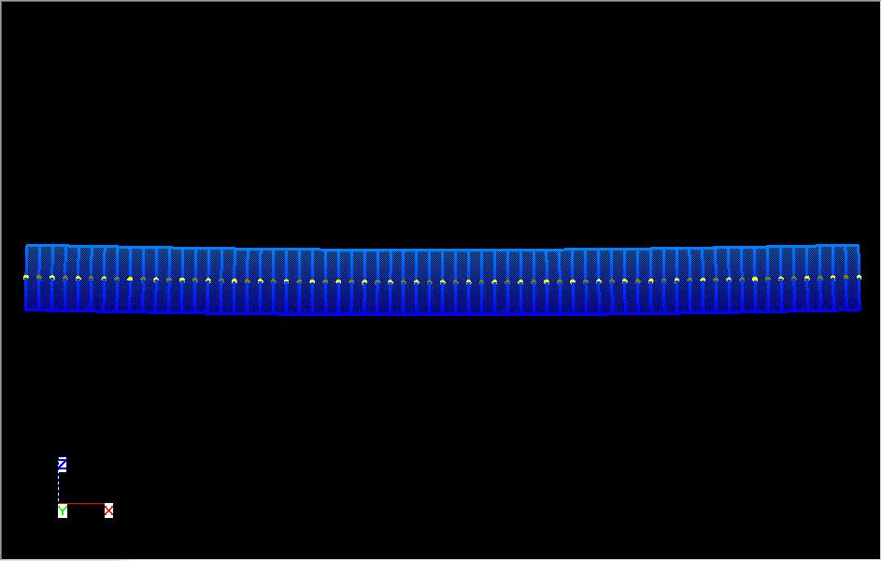
BMS8A

NB. This displacments shown above are scale by a factor of 10 in all direction.

